Sheet1
Section | Criteria | Points Possible | Points Awarded | Comments
1. Cover Page | 1 page maximum | 2 | 2
a. Title | Title describes the problem. | 1 | 1 | Title gives a clear description of the problem, but may need to include reference to the area being considered for added context.
b. Authors and affiliations | Authors and affiliations are listed. | 1 | 1 | All there
2. Executive Summary | 1 page maximum | 15
a. Background overview | The most important points from the background section are described concisely. | 3 | 3 | Overview is well stated
b. Problem overview | The most important points from the problem description section are described concisely. | 4 | 3 | Problem is well stated, but could include specific examples of detrimental OWF placements in the past
c. Solution overview | The most important points from the solution description section are described concisely. | 4 | 4 | Consider briefly stating the policy relevence and future directions.
d. Recommendation overview | The most important points from the recommendations section are described concisely. | 4 | 4 | Could specifically state what species or ecosystems could be benefitted and how.
3. Background |  | 15
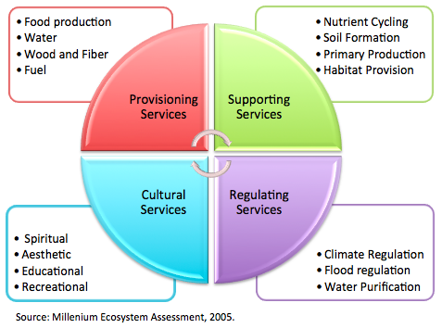
a. State of the science | Current scientific understanding is thoroughly discussed with supporting references. | 6 | 5 | OWF placement impact to stakeholders is established, but specific evidence showing how they are impacted, positively or negatively would stregthen argument.
b. Relevant policies | Relevant policies at the local, state, and federal levels are described in the context of the problem. | 6 | 6 | What is Oregon emphasizing in their policy?
c. Audience consideration | The intended audience for the white paper and affected stakeholders are described. | 3 | 3 | Maybe include recreators as stakeholders
4. Problem Description |  | 17
a. Overview of the problem | The problem, its causes, and its impacts are thoroughly described with supporting evidence. At least one figure or table is provided to document the spatiotemporal patterns, causes, or impacts of the problem. | 9 | 9 | Are there any sources that support the displacement of fishing effort, impacts on wildlife, impact on tourism and views, economic valuation challenges, bullet points? Also, you could potentially reframe this as impacts to ecosystem services (see diagram on right).
b. Stakeholder values | The values of each stakeholder group are defined, and the impacts are related to these values. | 4 | 4 | Yes well defined, but adding quantifications of these values may be a more effective way to communicate value
c. Status quo consequences | The consequences of maintaining the status quo (i.e., doing nothing) are weighed for each stakeholder group. | 4 | 4 | Again measurable outcomes of maintaining status quo would be helpful in establishing why change is necessary if they exist.
5. Solution Description |  | 18
a. Acceptable solution criteria | All criteria that must be fulfilled by the proposed solutions are described. Criteria must be both necessary (i.e., essential to solve the problem) and sufficient (i.e., all-encompassing for solving the problem). | 3 | 3 | Well- thought out and presented
b. First solution | Solution 1 is presented, along with its strengths and weaknesses for the stakeholders. At least one figure or table is provided to document how it would mitigate the problem. Sources are cited in support of the solution. | 6 | 3 | Solutions need to include some product of your analysis to show efficacy
c. Second solution | Solution 2 is presented, along with its strengths and weaknesses for the stakeholders. At least one figure or table is provided to document how it would mitigate the problem. Sources are cited in support of the solution. | 6 | 3 | Solutions need to include some product of your analysis to show efficacy
d. Reasoning | Solutions are logical, pertinent, and well-explained. | 3 | 3 | Good Job
6. Recommendations |  | 16 |  | In progress
a. Plan of action | Recommendations are made from the available solutions, and intended impacts on stakeholders are described. At least one figure or table is provided to support this recommendation. A timeline or workplan is included if relevant. | 10
b. Objective tone | Tone is objective, neutral, and formal throughout. | 3
c. Feasibility and efficacy | Recommendation is actionable and effectively addresses the stated problem. | 3
7. Conclusions |  | 9 |  | In progress
a. Summary of problem | The case for addressing the problem is restated. | 3
b. Summary of solutions | The possible solutions and their impacts on stakeholders are summarized. | 3
c. Summary of recommendations | The recommendations made to address the problem are summarized with a look ahead toward follow-up efforts. | 3
8. References |  | 8 |  | Need more citations
a. Reference number | At least 30 appropriate sources are cited. | 4
b. Citation style | Correct and consistent citation style is used. | 4
Final Score |  | 100 | 2

